Figure 1 coverage analysis
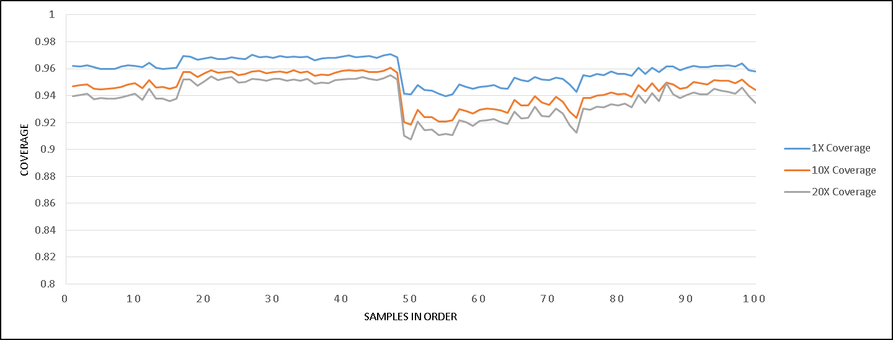
Read depth and percent coverage in each sample

